Intoductory Sheet
Welcome To Excel
Created by Thomas Rooney

This Excel Workbook contains a series of Exercises designed to familiarize you with some of the basic features of Excel.
This workbook is focused around creating a simple personal budget spreadsheet to keep track of expenses. In order to create this spreadsheet you will learn:
•Excel's User Interface and Controls
•How to add data into cells
•How to format cells
•Using the AutoSum feature
•Copying and pasting cells and data
•How to resize Columns and Rows

Click to Get Started

1. Main interface
The cell(s) that you have selected will appear with a Green outline around it, and the column and row headings of the selected cell will also be shaded in.
You can select a cell by Left clicking on it or typing the Address in the Cell Address. You can select multiple cells by left-clicking and dragging
Pressing Enter will move your selection to next row
Pressing Tab will move your selection to the next column
Next Sheet
→

Previous Sheet
←

Worksheet Tabs: Bottom left; lets you toggle between different worksheets in a single Excel File. You will use these to move between Examples in this lesson. sometimes there will be more sheets than can be displayed on the screen. In that case you can navigate back and forth using the green arrows to the left of the sheet names like in the image above. Important to learn as we will be using these to move between lessons in the work book.

View Controls: Bottom right of the screen. Controls view mode and Zoom.
View mode (the three buttons on the left) has options for Normal, Page Layout and Page Break Preview (used when preparing to print).
Zoom (the slide bar on the right) allows you to increase and decrease the zoom on the worksheet (does not affect printing).

The Function Bar allows you to input and Edit formulas in the cell that you currently have selected. It can be expanded in order to allow you to easily see the entire content of the cell.

Cell Address: Technically part of the Formula Bar, this box displays a cell's address. Each cell in Excel has a unique address identifying where it is located in the worksheet. The address is a combination of a cell's Column Letter and Row Number. For example A1 is the first cell in column A where as D17 is the 17th cell in column D.

1.2 Ribbon
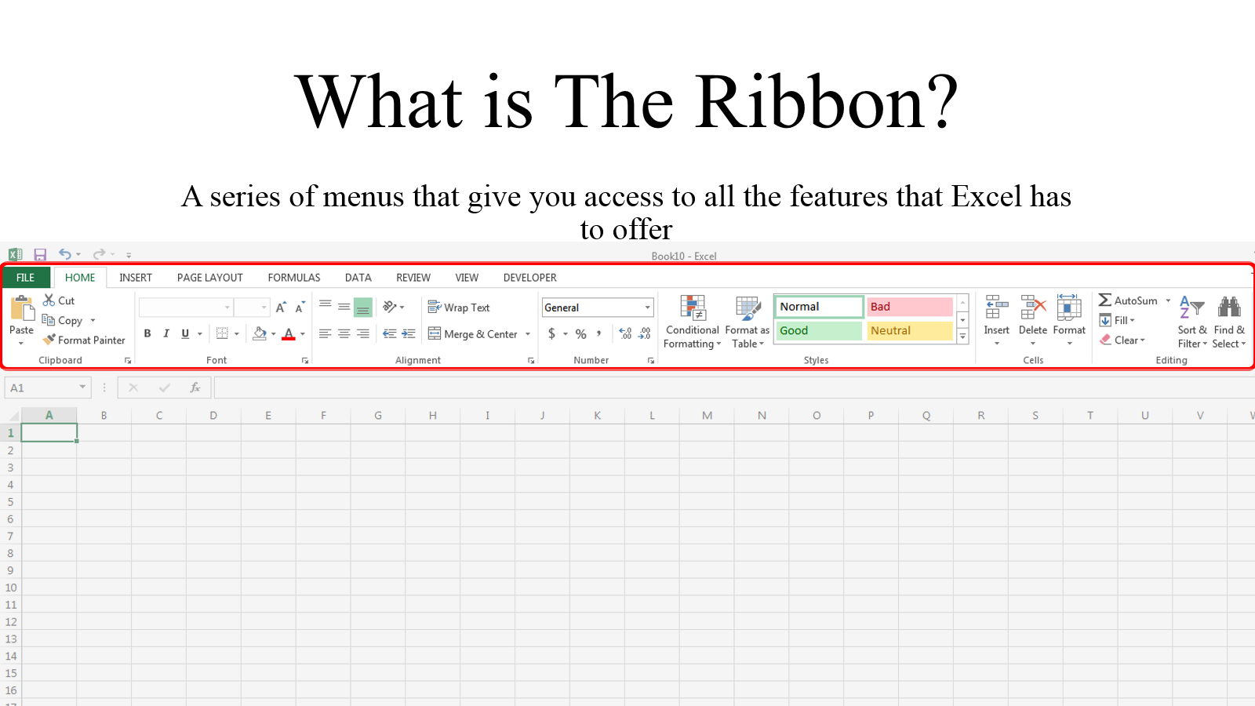
Next Sheet
→

Previous Sheet
←

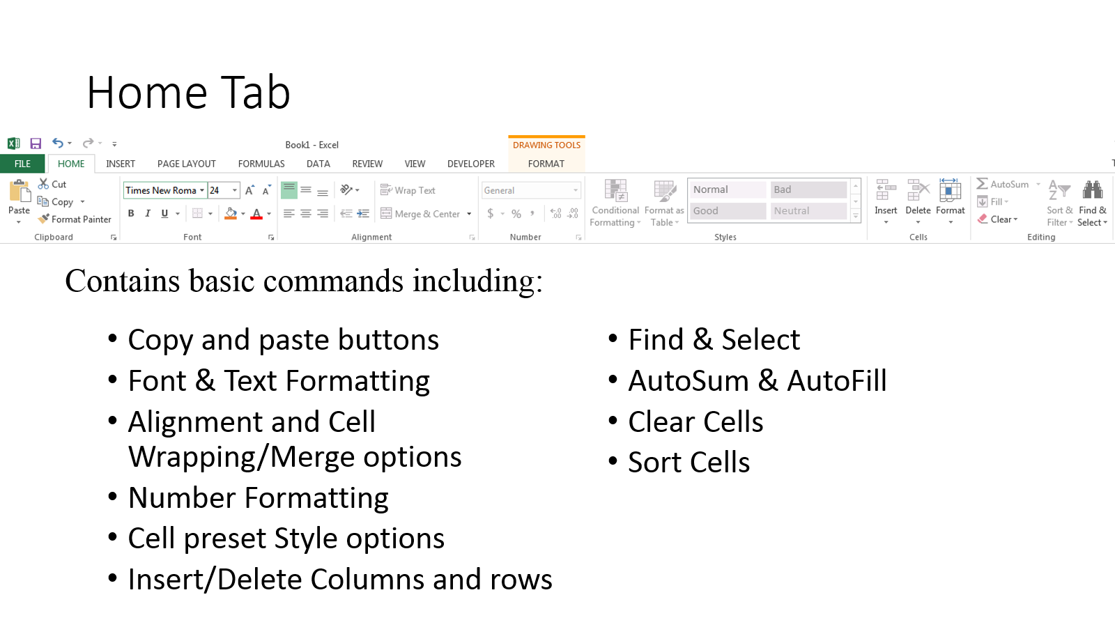

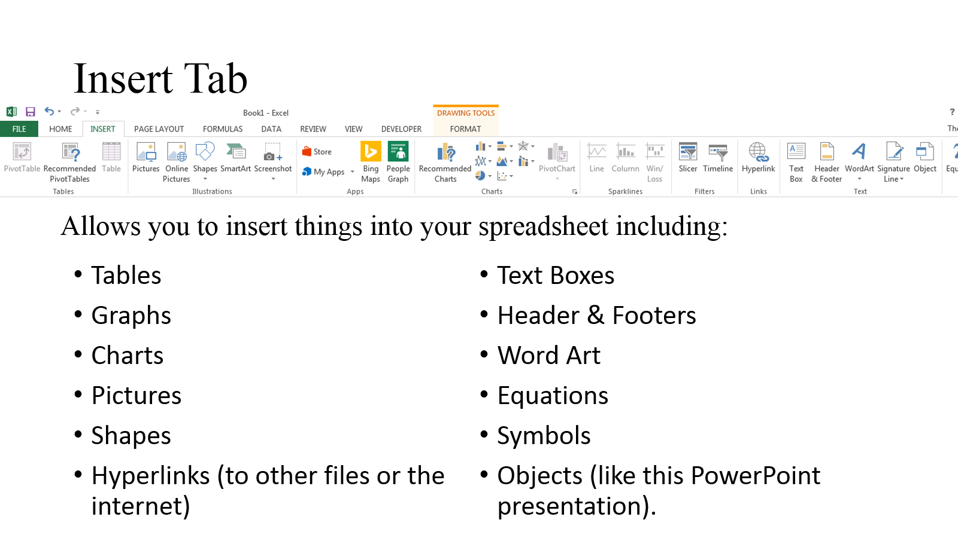

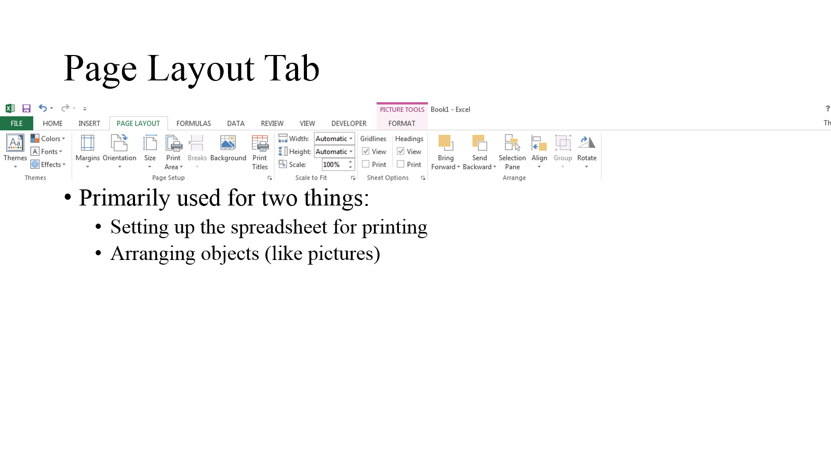

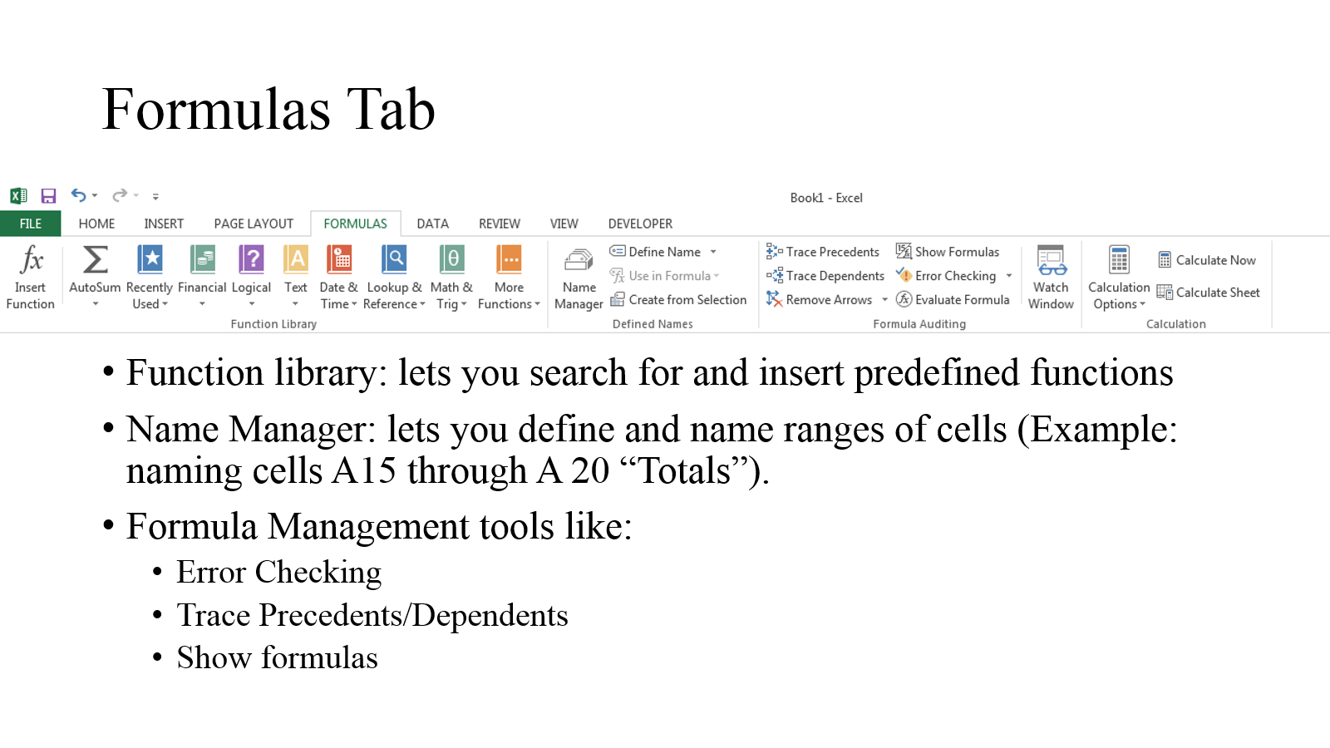

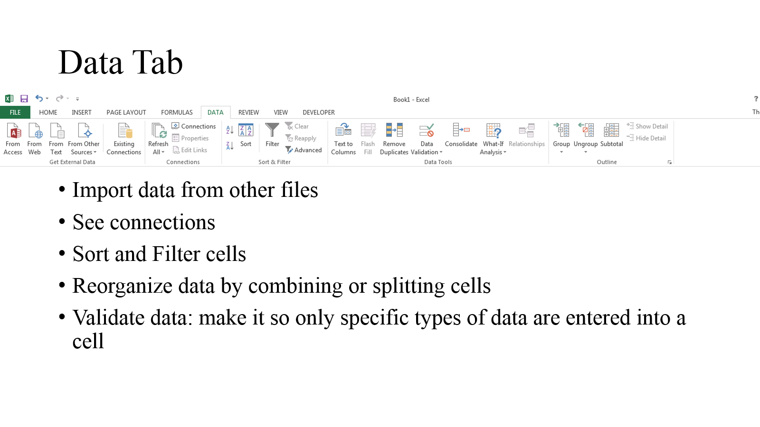

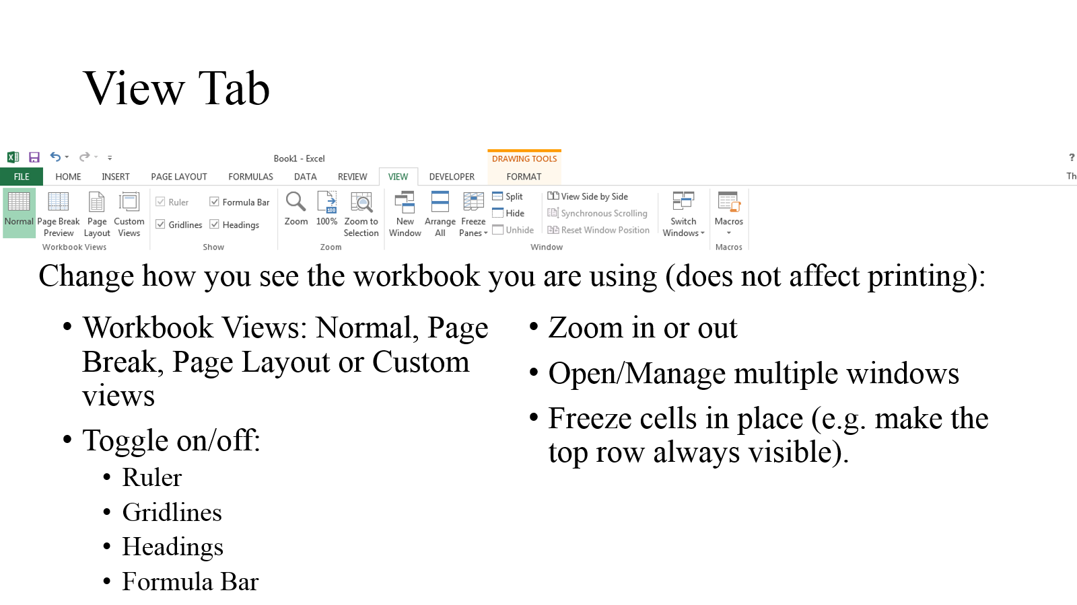

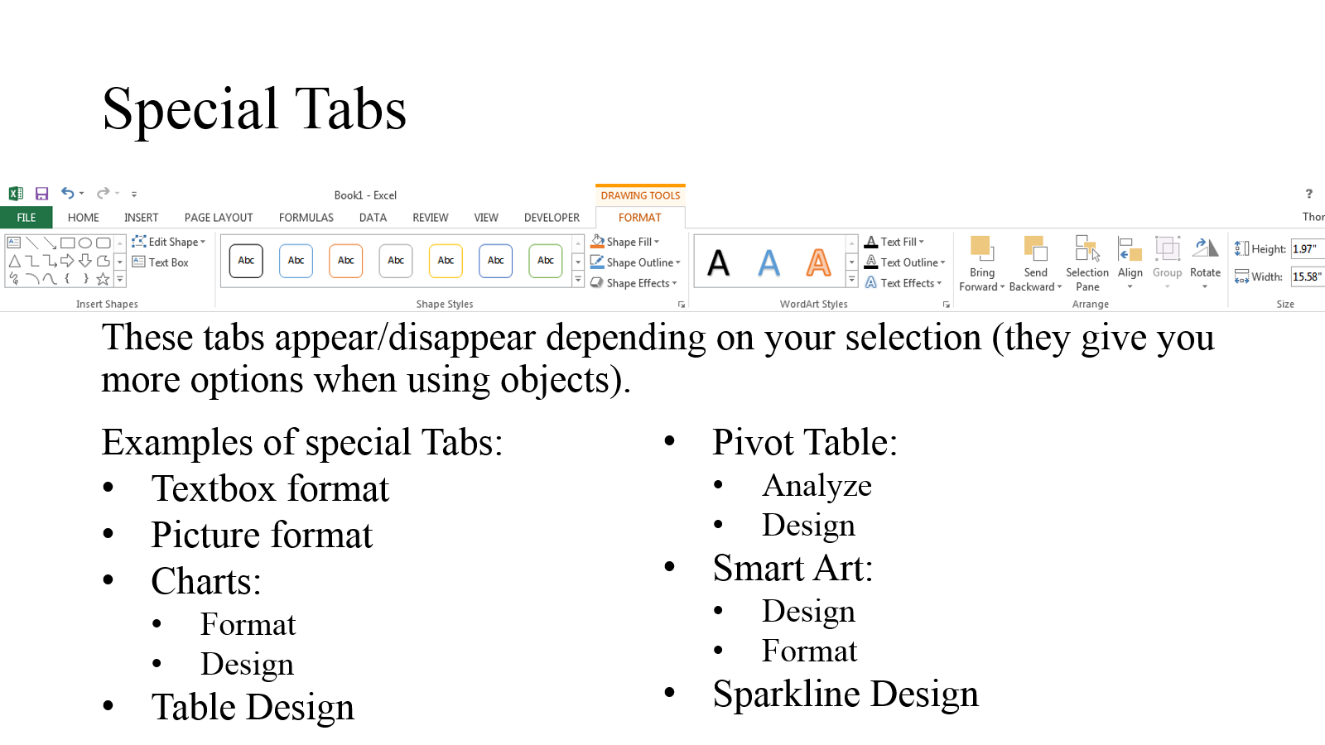

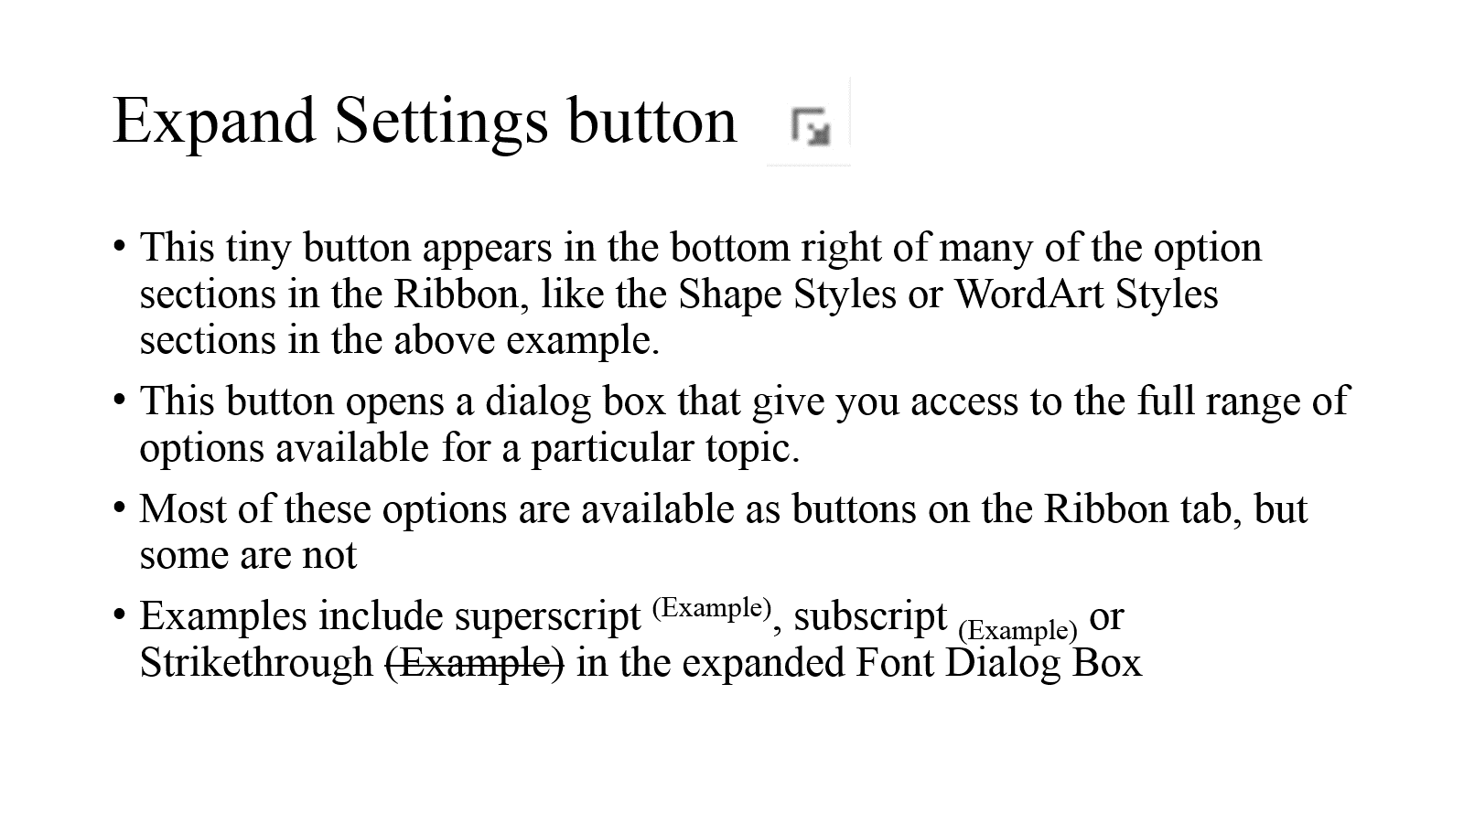

1.1 Workspace
Next Sheet
→

Previous Sheet
←

Excel Workspace: comprised of cells divided into Columns and Rows. The Rows are numbered and the Columns have letter names. All the data you enter into Excel goes into this space.
A single worksheet can have up to 16,000 columns and over 1 million rows.

Finding Cells
Every Cell has an "address" which is a combination of the Column letter and row number that the cell is located in (A1 for instance).
Whenever you select a cell the cell, its address will appear in the name box in the top left of the screen below the ribbon. The cell's row and column will also be highlighted in grey.
A1 | Column B | Column C | Column D
Row 2 | B2
Row 3 |  | C3
Row 4 |  |  | D4
Previous Sheet
←
Next Sheet
→

Left vs Right Click
One of the most important things to grasp when using Excel (or any computer program) is the difference between Left and Right Clicking.
Left vs Right Click
Left Click:
Used to select cells, Objects (like pictures and charts) and press buttons.
Click, Hold and Drag to select multiple Cells.
To deselect an object, left click somewhere on the screen other than what you have selected.
Mouse Wheel:
Scroll (rotate) to move up or down the page
Can also be clicked to "pan" (move quickly without having to continuously scroll or move horizontally).
Right Click:
Used to bring up the context menu.
The context menu gives options for interacting with whatever you have selected.
Mouse
Next Sheet
→

Previous Sheet
←

L
R

Controls
Next Sheet
→
Excel Action | Mouse | Keyboard | Mac Keyboard
select a cell | Left Click | Arrow Keys | Arrow Keys
Put a cell into editing mode | Double Click | F2 | Control + U
Submit Edits | Select another cell | Enter or Tab | Enter
Previous Sheet
←
Submit Edits and select the cell below |  | Enter
Submit Edits and select the cell to the right |  | Tab
Cancel Edits |  | Esc | Esc
Copy | R. Click & press Copy | Ctrl + C | Command + C
Cut | R. Click & press Cut | Ctrl + X
Paste | R. Click & press Paste | Ctrl + V | Command + V
Undo | Press Undo | Ctrl + Z | Command + Z
Redo | Press Redo | Ctrl + Y | Command + Y
Delete contents of the First cell in a selection |  | Backspace | Backspace
Delete contents of all the cells in a selection | R. Click & press "Clear Contents" | Delete | Delete
Save | Press Save | Ctrl + S | Command + S

Entering Data Explanation
Entering and Deleting Cell Data
To Enter data, select the cell by left clicking on it and then start typing your data. When you are finished press Enter to move to accept the edit and move to the next line. That's it (bear in mind that if you do this to a cell that already has data in it, the existing data will be overwritten by the whatever you just entered).
Deleting data is pretty easy as well simply left click and select the cell(s) and press the Delete button on the keyboard to clear the cells. You can also delete cell data by selecting the cells you want and using the button on the Home tab of the Ribbon. Select Clear Contents to delete only the contents of the cell (clear all will delete formatting as well).
Editing Cells
What if you want to edit the data in a cell without deleting it or overwriting it? First you must put the cell into edit mode. Select the cell that you want to use left clicking. Once selected move your cursor to the middle of the cell so the cursor looks like this then double click or press F2 on the keyboard to put the cell into edit mode. Once in edit mode you can move your around the cell's content by clicking or using the arrow keys. You can edit by using backspace to delete characters or type in new ones.
One potential issue with double clicking to put a cell in edit mode is you have to be centered over the cell, if your mouse is over the edge of the cell and looks like this double clicking will not put the cell in edit mode.
Next Sheet
→

Previous Sheet
←

Entering Data
For this exercises we will be adding data to a cell and then deleting data from another. To put a cell into editing mode remember that you need to double click on it.
First add some data to a Cell. Double Left Click on Cell B3 to put it in edit mode and then type in anything that you want and press the 'Enter' key to submit your changes.
More Data Entry Practice
Next Sheet
→

Entering
Previous Sheet
←
Deleting | Data

Editing | Daeta

Data Entry Practice
Fill in Cells B2 through B21 (marked in blue) with data of any type.
Empty Cells:
Then delete all the data from cells E2 through E21 (marked in red).
Cells with data to delete:
Finally edit Cells H2 through H21 to say "Data" to correct their misspellings (Marked in yellow).
Cells with misspellings:
20
20
20
Next Sheet
→
Enter Data | Delete Data | Edit Data
 | Data | Dataa
 | Data | Deata
 | Data | Daata
 | Data | Datay
 | Data | Ddata
Previous Sheet
←
 | Data | Duta
 | Data | Datatar
 | Data | Dataf
 | Data | Datta | 20
 | Data | Daatta | 20
 | Data | Datag | 20
 | Data | Dadta
 | Data | Dat3a
 | Data | Dadta
 | Data | Da ta
 | Data | Data#
 | Data | RData
 | Data | Dataium
 | Data | Dasta
 | Data | Datw

Formatting Explanation
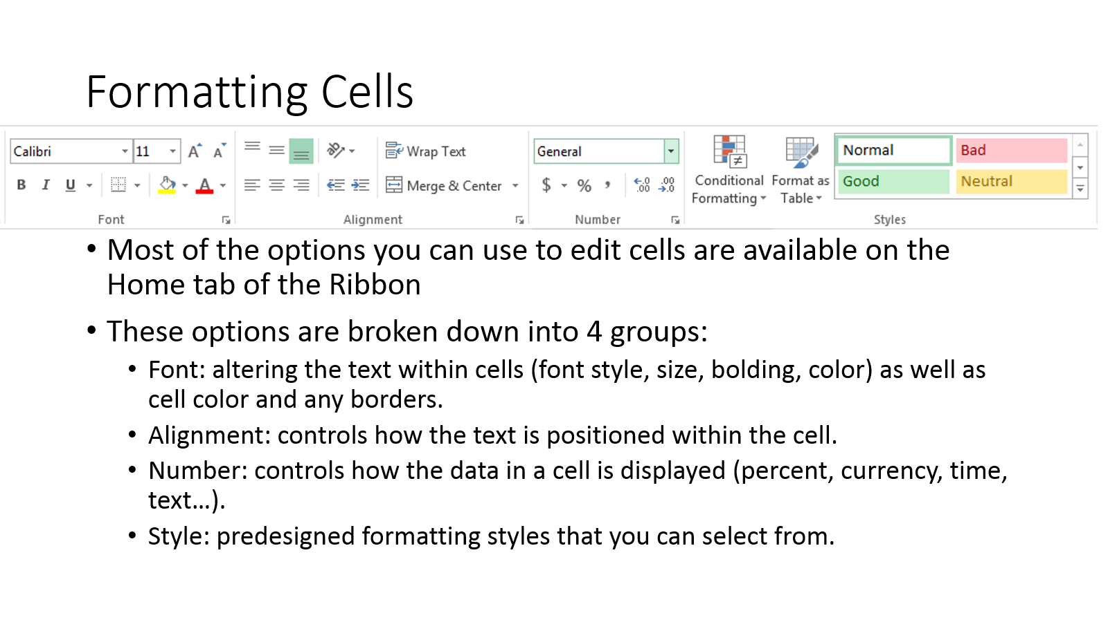
Next Sheet
→

Previous Sheet
←

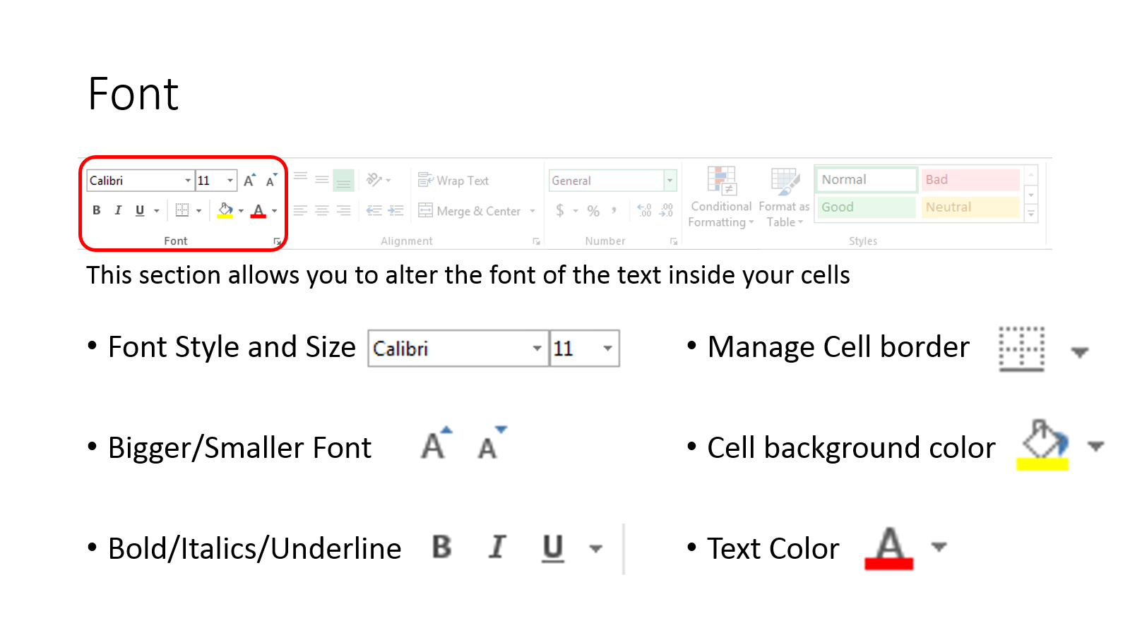

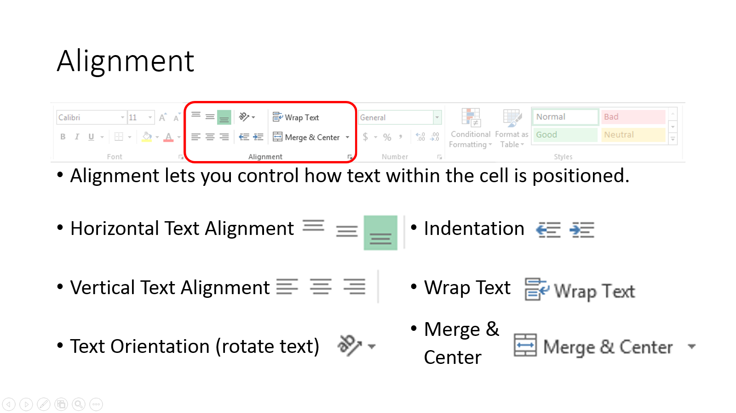

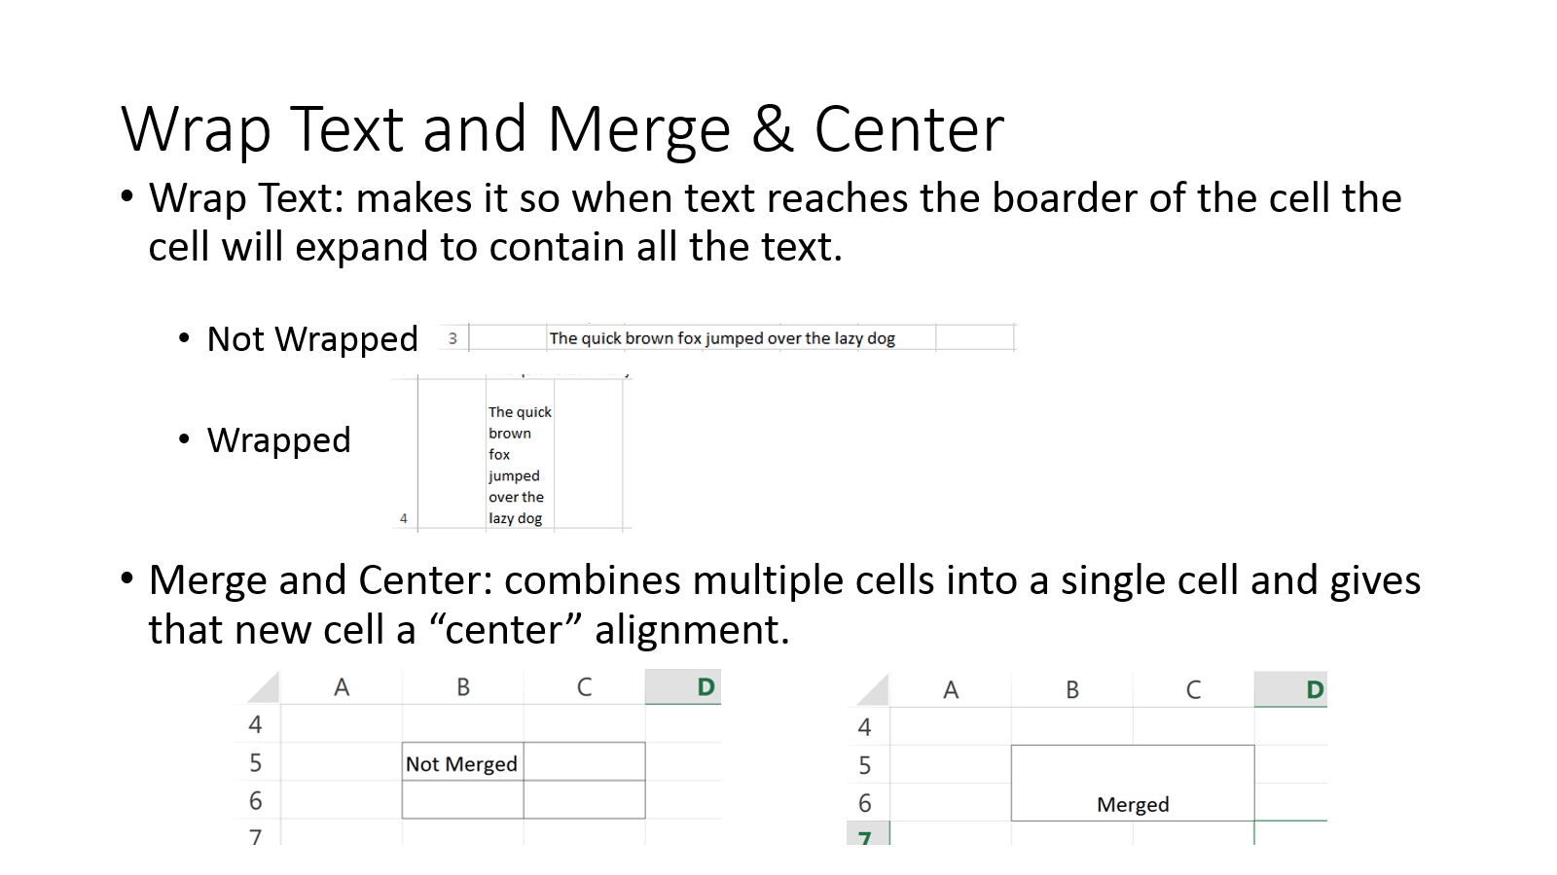

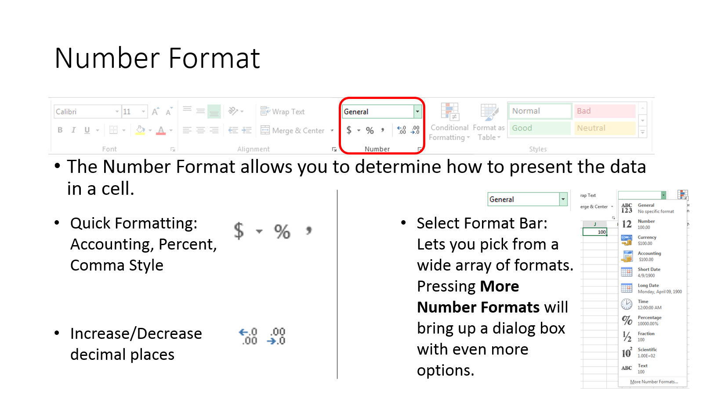

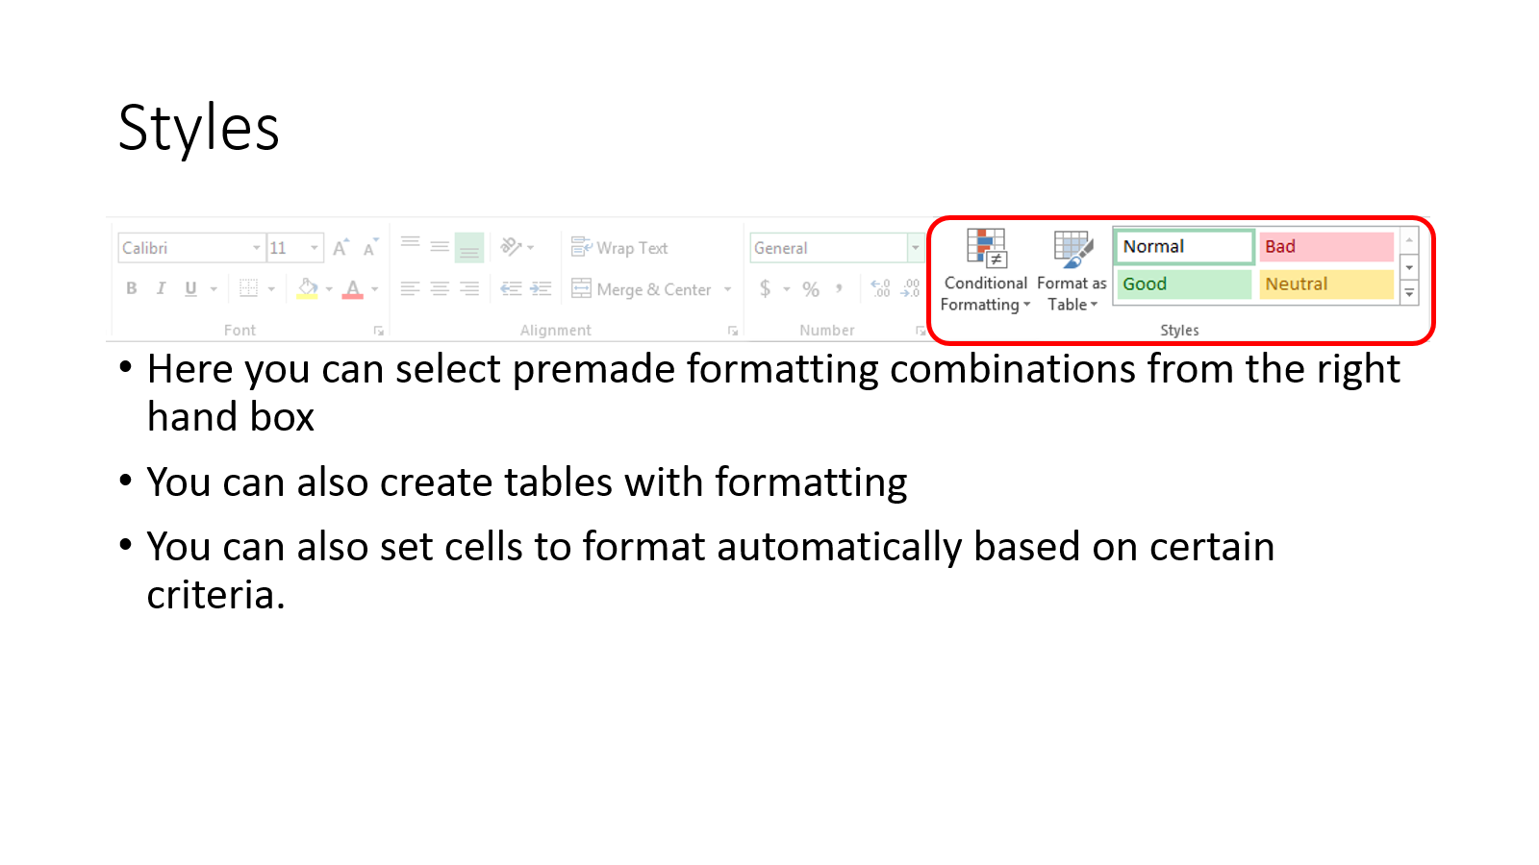

Formatting Cells
Next Sheet
→
Previous Sheet
←
 |  | Alignment Formatting |  |  | Number Formatting
1 | Change to Right Align | Alignment 1 | 1 | Change the Format to the "Number" option | 0.2
2 | Change to Center Align | Alignment 2 | 2 | Change the Format to the "Percent" option with no decimal places | 0.2
3 | Change to Right Align | Alignment 3 | 3 | Change the Format to the "Currency" option with 2 decimal places | 23.5
4 | Change to Center Align | Alignment 4 | 4 | Change the Format to the "Percent" option with 2 decimals places | 0.5
5 | Change to Left Align | Alignment 5 | 5 | Change the Format to the "Scientific" option | 6518
In this exercise we are going to begin working on formatting cells, focusing on cell alignment and number formatting. Change the formatting on the cells in gray as instructed and then press the F9 key to see how you did.
For Alignment: Use the alignment buttons ___. ___ to change the alignment of the text in the cell
For Number Formatting: use the drop down menu _________ to select the format type you want and then use the Decimal buttons _. ___ to increase/decrease the number of decimal places shown in the cell (left button to increase the number of decimal places right button to decrease).
Alignment 1
Alignment 2
Alignment 3
Alignment 5
Alignment 4
Number Format 1 (Number)
Number Format 2 (Percent)
Number Format 3 (Currency)
Number Format 4 (Percent)
Number Format 1 (Scientific)

Clear Formatting
Next Sheet
→
Previous Sheet
←
 |  | Clear Formatting Only |  |  | Clear All
1 | Clear Formatting | $100.00 | 1 | Clear Formatting & Values | $25.00
2 | Clear Formatting | $200.00 | 2 | Clear Formatting & Values | $50.00
3 | Clear Formatting | $300.00 | 3 | Clear Formatting & Values | $75.00
4 | Clear Formatting | $400.00 | 4 | Clear Formatting & Values | $100.00
5 | Clear Formatting | $500.00 | 5 | Clear Formatting & Values | $125.00
In this exercise we are going to be working on Clearing the formatting of these cells, focusing on cell alignment and number formatting. Change the formatting of the cells in gray as instructed.
To Clear Formatting Only: Select the cell press the button on the Home tab and select the button.
To Clear Formatting and Contents: Select the Cell, press the button and then press the button.
Clear Formatting 1
Clear Formatting 2
Clear Formatting 3
Clear Formatting 5
Clear Formatting 4
Clear Formatting & Values 1
Clear Formatting & Values 2
Clear Formatting & Values 3
Clear Formatting & Values 4
Clear Formatting & Values 5

Autosum
AutoSum
Next Sheet
→

The Auto Sum button ---- (located on the Home tab of the Ribbon) is a useful feature for those unfamiliar with Formulas. It allows you to total data using the SUM formula with a single click. Auto sum will total up rows of numbers to either the Left or above the cell it is located in.
Pressing the button will create the formula =SUM() in the cell you are working on, with the () containing the Cells that you want to get the total for (in the case the first column of the example the formula looks like =SUM(B8:B16) ). If you wish, you can change the cells counted by Clicking and Dragging or by typing new cell addresses in the parenthesis.
AutoSum Calculating Up

Previous Sheet
←

AutoSum Calculating to the left

Exercise Auto Sum
Pressing the button will create the formula =SUM() in the cell you are working on, with the () containing the Cells that you want to get the total for (in the case the first column of the example below the formula will look like =SUM(B8:B16) ). Scroll down for instructions for the exercise.
Next Sheet
→

Previous Sheet
←
Table | Column 1 | Column 2 | Column 3 | Column 4 | Column 5 | Column 6 | Column 7 | Column 8 | Column 9 | Column 10
Row 1 | 5 | 4 | 6 | 7 | 1 | 3 | 5 | 8 | 4 | 5
Row 2 | 0 | 5 | 6 | 8 | 2 | 4 | 3 | 6 | 5 | 5
Row 3 | 4 | 8 | 6 | 4 | 1 | 2 | 8 | 5 | 6 | 4
Row 4 | 0 | 7 | 5 | 6 | 4 | 1 | 8 | 5 | 6 | 7
Row 5 | 4 | 5 | 6 | 8 | 4 | 5 | 6 | 2 | 4 | 6
Row 6 | 5 | 5 | 0 | 4 | 5 | 6 | 3 | 2 | 7 | 3
Row 7 | 7 | 5 | 4 | 5 | 6 | 5 | 5 | 6 | 2 | 8
Row 8 | 4 | 4 | 5 | 6 | 7 | 1 | 5 | 3 | 6 | 9
Row 9 | 5 | 2 | 3 | 8 | 4 | 5 | 6 | 3 | 2 | 4
Totals
Lets use the AutoSum button to total up the values in these columns. Select Cell B15 and press the AutoSum button. The cell should now display "=SUM(B6:B14)"; press Enter to accept the formula.

 | Column 1 | Column 2 | Column 3 | Column 4 | Column 5 | Column 6 | Column 7 | Column 8 | Column 9 | Column 10
Progress:

Problems with Auto Sum
The AutoSum button has a few problems with it that can lead to major mistakes if you are not careful.
The first of these is if you have years or numbers of some type as the column heading, AutoSum will include those numbers in its calculations.
In the example to the left AutoSum has included the column headings in its counts, meaning each column total is off by about 2000 and that the total for the entire table is off by nearly 20,000.
Next Sheet
→

Previous Sheet
←

Table | 1990 | 1991 | 1992 | 1993 | 1994 | 1995 | 1996 | 1997 | 1998 | 1999
Row 1 | 5 | 4 | 6 | 7 | 1 | 3 | 5 | 8 | 4 | 5
Row 2 | 0 | 5 | 6 | 8 | 2 | 4 | 3 | 6 | 5 | 5
Row 3 | 4 | 8 | 6 | 4 | 1 | 2 | 8 | 5 | 6 | 4
Row 4 | 0 | 7 | 5 | 6 | 4 | 1 | 8 | 5 | 6 | 7
Row 5 | 4 | 5 | 6 | 8 | 4 | 5 | 6 | 2 | 4 | 6
Row 6 | 5 | 5 | 0 | 4 | 5 | 6 | 3 | 2 | 7 | 3
Row 7 | 7 | 5 | 4 | 5 | 6 | 5 | 5 | 6 | 2 | 8
Row 8 | 4 | 4 | 5 | 6 | 7 | 1 | 5 | 3 | 6 | 9
Row 9 | 5 | 2 | 3 | 8 | 4 | 5 | 6 | 3 | 2 | 4
Totals | 2024 | 2036 | 2033 | 2049 | 2028 | 2027 | 2045 | 2037 | 2040 | 2050 | 20369
Next Example
 | Total of Bottom Row |  |  | 20369
 | Real Total of Table Values |  |  | 424

Another issue to look out for with AutoSum is if there are any blank spaces in the list of numbers, AutoSum will stop counting at that blank.
In the example to the right, only the numbers in green were counted, the numbers in black were missed.
To avoid this, double-check that auto sum is counting all the cells you want it to, or make sure to use a 0 for cells with no value.

Table | Year 1990 | Year 1991 | Year 1992 | Year 1993 | Year 1994 | Year 1995 | Year 1996 | Year 1997 | Year 1998 | Year 1999
Row 1 | 5 | 8 | 9 | 10 | 5 | 6 | 3 | 6 | 10 | 2
Row 2 | 7 | 4 |  | 4 | 6 | 3 | 7 |  | 9 | 7
Row 3 | 10 | 3 | 9 |  | 3 | 9 | 6 | 8 | 3 | 10
Row 4 |  | 5 | 2 | 9 |  |  | 2 | 9 | 9 | 8
Row 5 |  | 3 | 3 | 1 | 6 | 5 | 3 | 5 | 5 | 1
Row 6 | 2 | 7 | 6 | 6 | 8 | 7 | 5 | 6 | 4 | 9
Row 7 | 10 | 1 | 1 | 9 | 6 | 9 |  | 2 | 7 | 8
Row 8 | 1 | 4 | 7 | 5 |  | 7 | 6 | 3 | 6 | 5
Row 9 | 2 | 3 | 6 | 8 | 8 | 7 | 7 | 1 | 3 | 3
Totals | 15 | 38 | 34 | 38 | 8 | 35 | 13 | 34 | 56 | 53 | 324
Back to the Top
 | Total of Bottom Row |  |  | 324
 | Real Total of Table Values |  |  | 453

Drag Auto Explanation
Dragging AutoComplete is a time saving function of Excel that allows you to copy data patterns across multiple rows with a few clicks. It can copy the same word/formula over many cells, or used to quickly fill in row or column headings that use categories like days of the week or months of the year.
Next Sheet
→

Previous Sheet
←

To use the feature:
Select the cell(s) you want to copy and position your cursor over the little square in the bottom right of the highlighted cell(s). The cursor should look like a

Next, Click & Drag until you reach the cell you want to stop at. All the cells into which the data will be copied will be highlighted in green now and a tool tip should display what is going to be pasted in the last selected cell.

Release the left mouse button and Excel will fill in the highlighted cells with the data you told it to use.

Draggin Autocomplete
The Dragging Autofill is a very useful feature that allows you to quickly fill in lots of repetitive data without having to type it all out one cell at a time.
Instructions:
Problem 1: Copying identical data into many cells
Normally when you drag autofill data starting from a single cell, dragging will copy that data into every cell that you drag to.
Select Cell B2 and mouse over the bottom right corner of the cell until the cursor changes to a +. Click and Drag to cell H2 and release. All 7 cells should now say "Data".
Next Sheet
→
Problem 1
Data
Problem 2
Sunday
Previous Sheet
←
Problem 3
January
Problem 4
1 | 2
Problem 5
2 | 4
Problem 6
Sunday | Tuesday
Problem 7
John | Adam | Marcy
Problem 8
 | 1
Problem 9
One Fish

One | Two | Red | Blue | Black | Blue | Old

Copy, Cut & Paste
Copying, cutting & pasting: allows you to move or copy large amounts of data easily. Both copy/cut and paste allow you to replicate data without needing to retype it.
Copy & Cut: these commands extract data from a cell or group of cells. The difference is that Copying will leave the original data unaltered once it is moved where as Cutting will delete the original data once it has been pasted. (Note any cells that reference the cut cell will be altered as well).
Pasting: once you have copied or cut a cell or group of cells, you can select a different cell, right click and use the paste button to put the data in the new position. There is a Paste Special button which we will cover in the next lesson.
In addition to right clicking, you can also use the Cut, Copy and Paste buttons located on the Home Tab of the Ribbon if you want.
Remember if you make a mistake to use the Undo Button (or CTRL + Z on the keyboard) to revert the problem back to
before you attempted it.
Next Sheet
→

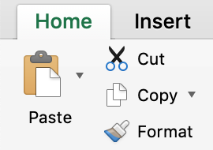
Previous Sheet
←

Copy Problem 1
Left Click on each cell with a number in it.
Once the cell is selected, press the copy button on the ribbon.
Select a cell in the box to the right, and press the paste button on the ribbon (the clipboard).
Do this until both squares on the right are full.
 | 1 | 2
 | 3 | 4
 | 5 | 6

Copy Problem 2
Left Click and drag to select all cells with numbers in the top box.
Once the cell is selected, press the copy button on the ribbon.
Select the top left cell in the box to the right, and press the paste button on the ribbon (the first clipboard).
Do this until both squares on the right are full.
 | 10 | 20
 | 30 | 40
 | 50 | 60

Left Click on a cell with a number in it in the left hand box.
Once the cell is selected, Press the Cut button on the ribbon.
Select a cell in the box to the right, and press the paste button on the ribbon (the first clipboard).
Do this until the square on the right is full and
the square on the left is empty.
Cut Problem 1
Left Click on each cell with an number in it.
Right click on the selected cell and select cut.
Select a cell in the box to the right, right click and press the only paste option (the first clipboard).
Do this until the square on the right is full and
the square on the left is empty.
 | 5 | 10
 | 15 | 20
 | 25 | 30

Left Click and drag to select all cells with numbers in the left box.
press the Cut button on the ribbon.
Select the top left cell in the box to the right, and press the Paste button on the ribbon (the first clipboard).
Do this until both squares on the right are full.
Cut problem 2

 | 35 | 40
 | 45 | 50
 | 55 | 60

Special Pasting
There are a number of different versions of the Paste button depending upon what you need to do. These variants will only work with the Copy function, for Cutting you can only use the basic paste option.
There are six main formats of the Paste button:
Normal: this option pastes the cell exactly as it is, replicating the formatting, data, any formulas present within the cell and any links or objects stored in that cell.
Values: pastes the displayed value into the desired cell, removing any formatting or formulas. For instance a cell that has a formula that adds other cells together, =C2+D2 for example, giving a value of say 4, by using the Values option the formula is not copied, only the result. This is useful when you want to store the result of a formula without it changing when the data it is calculated from changes.
Formulas: pastes the formula of the copied cell while not copying any of the formatting of the original cell. Useful for when you want to reuse a formula in a different section.
Formatting: applies the formatting of the copied cell without replicating any of the cell's contents.
Cell Link: creates a link to the "copied" cell. Any changes that you make to the original cell's contents will automatically be reflected in the linked cell (changes to formatting do not apply. The equation in the cell will be ='worksheet_name'!Cell_Reference which in the example below is cell O9 ($O$9) of the worksheet "Special Pasting".
Transpose: used for a list of cells, switches the vertical/horizontal organization of the cells. On a list of vertical cells, pasting using Transpose will paste the list as a horizontal list instead and vice versa. See the example below.
Next Sheet
→

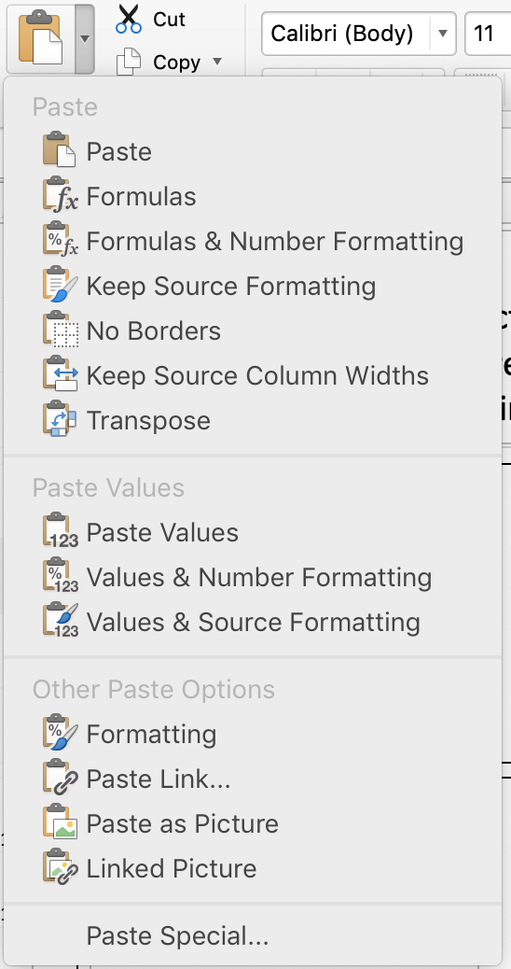
The Main way to use the Paste Special functions is to access them using the Home Tab of the Ribbon.
Once you have copied the information you need and have selected the cell that you want to paste stuff into, select the little arrow to the right of the Paste button (clipboard). This will bring up a menue with all the Paste Special options that you can use. Just left click on the one you want to use and that information will be pasted into the cell that you have selected.
As you can see there are quite a few options you can use. The main six we will be covering here are the Paste, Formulas, Values, Formatting, Link, & Transpose options.
Previous Sheet
←

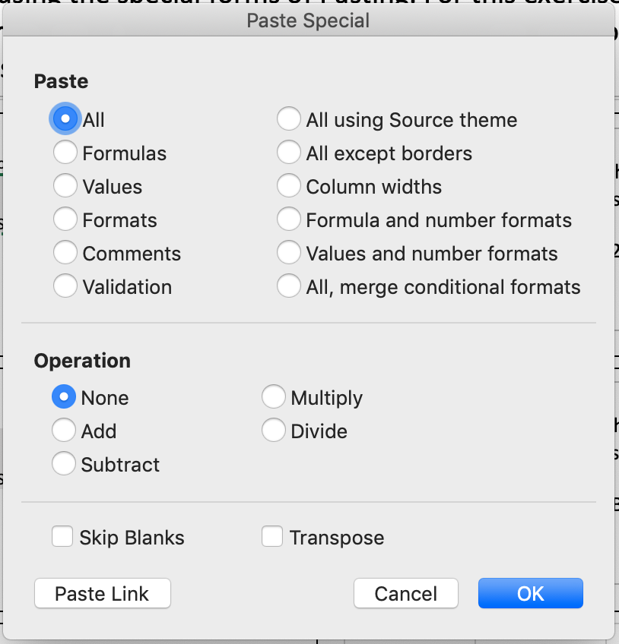
The other way to access the special paste menu on a Mac, is to Right Click (or click with two fingers) and select the Paste Special button (seen below). This will open a popup menu where you can select what type of paste you want to perform (seen to the right).
There are a number of types of paste you can perform and you can even combine them, but for this tutorial we are only going to cover six special paste functions: Normal, Values, Formulas, Formats, Link Pasting and Transpose.

Normal: this option pastes the cell exactly as it is, replicating the formatting, data, any formulas present within the cell and any links or objects stored in that cell.
Normal Paste:

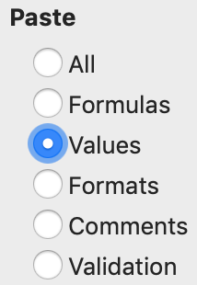
Values: pastes the displayed value into the desired cell, removing any formatting or formulas. For instance a cell that has a formula that adds other cells together, =C2+D2 for example, giving a value of say 4, by using the Values option the formula is not copied, only the result. This is useful when you want to store the result of a formula without it changing when the data it is calculated from changes.
Value Paste:

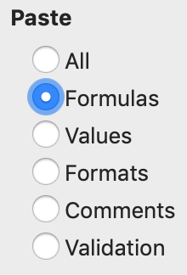
Formulas: pastes the formula of the copied cell while not copying any of the formatting of the original cell. Useful for when you want to reuse a formula in a different section.
Formula Paste:

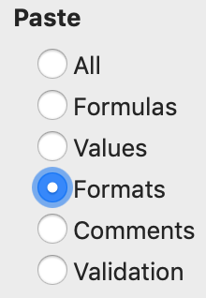
Formatting: applies the formatting of the copied cell without replicating any of the cell's contents.
Format Paste:

Cell Link: creates a link to the "copied" cell. Any changes that you make to the original cell's contents will automatically be reflected in the linked cell (changes to formatting do not apply. The equation in the cell will be ='worksheet_name'!Cell_Reference which in the example below is cell O9 ($O$9) of the worksheet "Special Pasting".
Link Paste:

Transpose: used for a list of cells, switches the vertical/horizontal organization of the cells. On a list of vertical cells, pasting using Transpose will paste the list as a horizontal list instead and vice versa. See the example below.
Transpose Paste:

S. Pasting Practice
Pasting Exercises
In this exercise we will practice using the special forms of Pasting. For this exercise the worksheet will display formulas in plain text where normally only a value would be shown. Remember for a Mac laptop/mouse Right Click is done by clicking with two fingers.
Next Sheet
→

Previous Sheet
←

Normal Paste: Copy the cell on the left. Select the Blank Cell & press the Paste button.
Everthing in the left cell will be replicated in the right Cell.
Value Paste: Copy the cell on the left. Select the Blank Cell, press Paste arrow and then select Paste Values button.
Press Ok.
Only the Value in the left cell will be copied to the Right Cell.
Source Data
10.00 |  | 10.00

Formula Paste: Copy the cell on the left. Select the Blank Cell & press the Paste arrow and then select Paste Formulas Button.
Press Ok.
Only the Formula in the left cell will be copied to the Right Cell.
Formatting Paste: Copy the cell on the left. Select the Blank Cell & press the Paste arrow and then select Paste Formats Button.
Press Ok.
Only the Format in the left cell will be copied to the Right Cell.
10.00 |  | 10.00

Link Paste: Copy the cell on the left. Select the Blank Cell & press the Paste arrow and then press the Paste Link button on the bottom. A link to the Left Cell will be created in the Right Cell.
15.00

The final version of paste we are going to look at is the Transpose function, which is used to change lists of cells from verticle to horizontal or horizontal to verticle.
Select and copy the list of numbers to the right. Select the leftmost blank cell and press the Paste arrow. Select the Paste Transpose option.
The numbers will then be pasted in a horizontal list.
 | 1
 | 2
 | 3
 | 4

Resizing Columns & Rows
In this exercise we are going to learn about resizing columns and rows using the mouse. There are two ways to resize columns/rows using the mouse: Dragging & Double Clicking.
Dragging: Move your mouse to hover over the header border between columns A and B. At this point your mouse should look like . Left-Click and hold, then drag your mouse to the Red Line and then let go. Column A should now extend to the red line.
Do the same thing for the row size. Place your mouse betweenthe headers of rows 1 & 2 so the mouse appears like and click and drag down to the Orange Line. Row 1 should now extend that far down. Only the right (for Columns) or bottom (for rows) border can change a row/columns size.
To make the row/column as large or small as you need it to be, you can Double-click instead to make the row/column "snap" to the right size. Place your mouse on the right/bottom border of the column/row you want to snap to and double click. The size should adjust to automatically fit to the size of the cell with the most data in it (in this case the cell with the word "stuff").
You can resize multiple Columns/Rows at once by highligting a few of them and then following the steps above.
stuff

Previous Sheet
←
Next Sheet
→

Columns and Rows
Return to Start Page
↑

Previous Sheet
←

The other way to resize cells is to manually input the sizes you want using a dialog box. In this case you want select the Column(s)/Row(s) that you want to resize, right-click on their headers and select "Column Width" or "Row Height" respectively. A dialog box will appear where you can type in the exact size that you want the Column/Row to be.
In this example we are trying to make the cells in Rows 1-10 of Columns A through M match up with the red box in the middle. First mouse over the header of Column A so that your cursor looks like . Click and Drag all the way through column M, then right click on one of the column headers and press "Column Width". Enter in "8.43" for the width and hit "OK".
Now do the same thing for the Rows, mouse over the header for row 1 so the mouse looks like , then click and drag through row 10. Right click on one of the row labels and press "Row Height". Enter "15" in the dialog box and press "OK".
Good work the cells should now be properly aligned with the red box.

