Table Creation
In this exercise we will create two tables. There are two sample datasets here that we can turn into tables, one showing some quarter numbers and one showing some made-up staff information. Follow the steps in the slide below to turn the datasets into tables.
Scroll down to complete the lesson

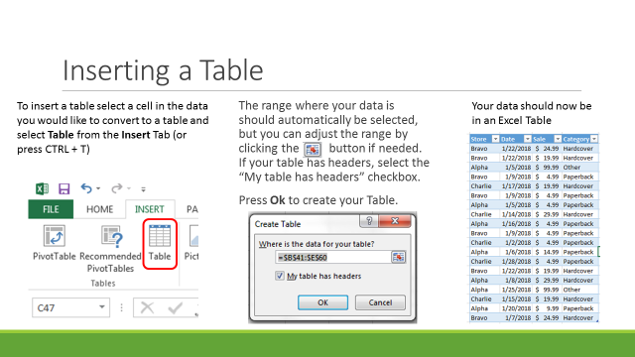

Quarter | A | B | C | D | E | F | G | Names | Department | Payment Method | Yearly Salary
Q1 | 98 | 48 | 87 | 94 | 48 | 98 | 41 | ARMSTRONG, MARLENE T. | Sales | Direct Deposit | $40,000.00
Q2 | 44 | 71 | 61 | 30 | 83 | 97 | 45 | GARDNER, SHEILA J. | Sales | Check | $50,000.00
Q3 | 35 | 93 | 26 | 59 | 97 | 78 | 27 | HAMILTON, TRACY | Sales | Direct Deposit | $65,000.00
Q4 | 46 | 52 | 31 | 89 | 30 | 30 | 88 | GARDNER, NELLIE N. | Management | Check | $78,000.00
 |  |  |  |  |  |  |  | KELLY, ANITA M. | Sales | Direct Deposit | $45,000.00
 |  |  |  |  |  |  |  | KNIGHT, JERRY O. | Sales | Direct Deposit | $47,000.00
 |  |  |  |  |  |  |  | LAWRENCE, TERRY | Management | Check | $58,000.00
 |  |  |  |  |  |  |  | MYERS, BONNIE | Custodial | Check | $62,000.00
 |  |  |  |  |  |  |  | PALMER, VERNON Y. | Marketing | Check | $63,000.00
 |  |  |  |  |  |  |  | RAMIREZ, MAXINE | Custodial | Direct Deposit | $62,000.00
 |  |  |  |  |  |  |  | RUSSELL, ERIKA | Sales | Check | $54,500.00
 |  |  |  |  |  |  |  | SANDOVAL, CAROLYN Y. | Management | Direct Deposit | $78,000.00
 |  |  |  |  |  |  |  | SCHMIDT, MELISSA | Sales | Direct Deposit | $35,000.00
 |  |  |  |  |  |  |  | THOMPSON, PATRICK F. | Sales | Direct Deposit | $17,160.00
 |  |  |  |  |  |  |  | WALKER, ANGELA | Sales | Check | $28,000.00
 |  |  |  |  |  |  |  | MENDEZ, VERONICA Q. | Custodial | Direct Deposit | $58,000.00
 |  |  |  |  |  |  |  | SHAW, LAUREN | Marketing | Direct Deposit | $64,000.00
 |  |  |  |  |  |  |  | WONG, CHARLES | Marketing | Direct Deposit | $58,000.00
 |  |  |  |  |  |  |  | YOUNG, MITCHELL T. | Marketing | Direct Deposit | $67,000.00
 |  |  |  |  |  |  |  | ADAMS, MANUEL | Sales | Direct Deposit | $25,000.00

Table Formatting
In this example we will practice changing the style of a table and add an element to our table (the Total Row). Follow the instructions on the two slides below to alter your tables style and formatting.

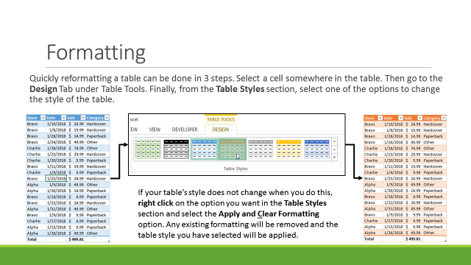
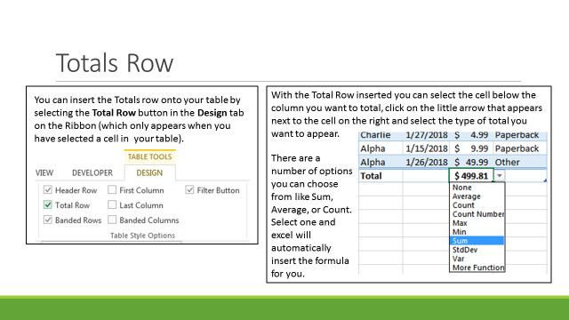

Quarter | A | B | C | D | E | F | G | Names | Department | Payment Method | Yearly Salary
Q1 | 98 | 48 | 87 | 94 | 48 | 98 | 41 | ARMSTRONG, MARLENE T. | Sales | Direct Deposit | $40,000.00
Q2 | 44 | 71 | 61 | 30 | 83 | 97 | 45 | GARDNER, SHEILA J. | Sales | Check | $50,000.00
Q3 | 35 | 93 | 26 | 59 | 97 | 78 | 27 | HAMILTON, TRACY | Sales | Direct Deposit | $65,000.00
Q4 | 46 | 52 | 31 | 89 | 30 | 30 | 88 | GARDNER, NELLIE N. | Management | Check | $78,000.00
 |  |  |  |  |  |  |  | KELLY, ANITA M. | Sales | Direct Deposit | $45,000.00
 |  |  |  |  |  |  |  | KNIGHT, JERRY O. | Sales | Direct Deposit | $47,000.00
 |  |  |  |  |  |  |  | LAWRENCE, TERRY | Management | Check | $58,000.00
 |  |  |  |  |  |  |  | MYERS, BONNIE | Custodial | Check | $62,000.00
 |  |  |  |  |  |  |  | PALMER, VERNON Y. | Marketing | Check | $63,000.00
 |  |  |  |  |  |  |  | RAMIREZ, MAXINE | Custodial | Direct Deposit | $62,000.00
 |  |  |  |  |  |  |  | RUSSELL, ERIKA | Sales | Check | $54,500.00
 |  |  |  |  |  |  |  | SANDOVAL, CAROLYN Y. | Management | Direct Deposit | $78,000.00
 |  |  |  |  |  |  |  | SCHMIDT, MELISSA | Sales | Direct Deposit | $35,000.00
 |  |  |  |  |  |  |  | THOMPSON, PATRICK F. | Sales | Direct Deposit | $17,160.00
 |  |  |  |  |  |  |  | WALKER, ANGELA | Sales | Check | $28,000.00
 |  |  |  |  |  |  |  | MENDEZ, VERONICA Q. | Custodial | Direct Deposit | $58,000.00
 |  |  |  |  |  |  |  | SHAW, LAUREN | Marketing | Direct Deposit | $64,000.00
 |  |  |  |  |  |  |  | WONG, CHARLES | Marketing | Direct Deposit | $58,000.00
 |  |  |  |  |  |  |  | YOUNG, MITCHELL T. | Marketing | Direct Deposit | $67,000.00
 |  |  |  |  |  |  |  | ADAMS, MANUEL | Sales | Direct Deposit | $25,000.00

Slicers
Follow the instructions in the slides below to add a Slicer to the Table in this example.
Since the Chart is attached to the Table, the Slicer will effect both Chart and Table.

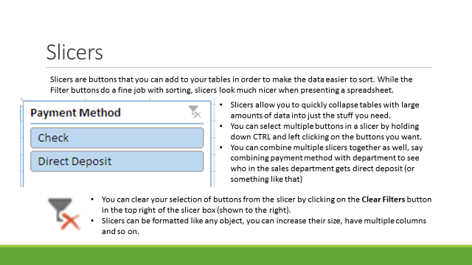

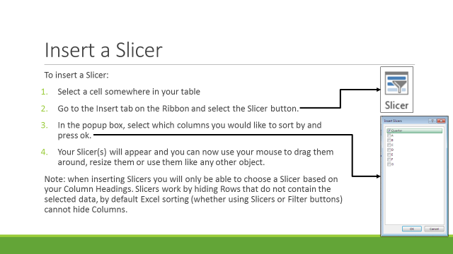
Quarter | A | B | C | D | E | F | G
Q1 | 98 | 48 | 87 | 94 | 48 | 98 | 41
Q2 | 44 | 71 | 61 | 30 | 83 | 97 | 45
Q3 | 35 | 93 | 26 | 59 | 97 | 78 | 27
Q4 | 46 | 52 | 31 | 89 | 30 | 30 | 88

Pivot Table
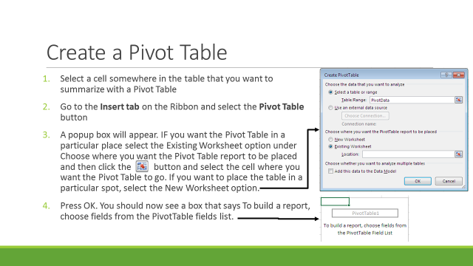

Names | Department | Payment Method | Yearly Salary
ARMSTRONG, MARLENE T. | Sales | Direct Deposit | $40,000.00
GARDNER, SHEILA J. | Sales | Check | $50,000.00
HAMILTON, TRACY | Sales | Direct Deposit | $65,000.00
GARDNER, NELLIE N. | Management | Check | $78,000.00
KELLY, ANITA M. | Sales | Direct Deposit | $45,000.00
KNIGHT, JERRY O. | Sales | Direct Deposit | $47,000.00
LAWRENCE, TERRY | Management | Check | $58,000.00
MYERS, BONNIE | Custodial | Check | $62,000.00
PALMER, VERNON Y. | Marketing | Check | $63,000.00
RAMIREZ, MAXINE | Custodial | Direct Deposit | $62,000.00
RUSSELL, ERIKA | Sales | Check | $54,500.00
SANDOVAL, CAROLYN Y. | Management | Direct Deposit | $78,000.00
SCHMIDT, MELISSA | Sales | Direct Deposit | $35,000.00
THOMPSON, PATRICK F. | Sales | Direct Deposit | $17,160.00
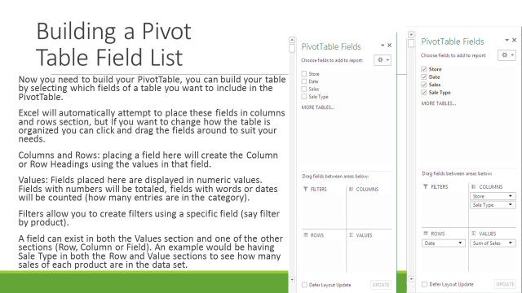
WALKER, ANGELA | Sales | Check | $28,000.00
MENDEZ, VERONICA Q. | Custodial | Direct Deposit | $58,000.00
SHAW, LAUREN | Marketing | Direct Deposit | $64,000.00
WONG, CHARLES | Marketing | Direct Deposit | $58,000.00
YOUNG, MITCHELL T. | Marketing | Direct Deposit | $67,000.00
ADAMS, MANUEL | Sales | Direct Deposit | $25,000.00

